Sheet1
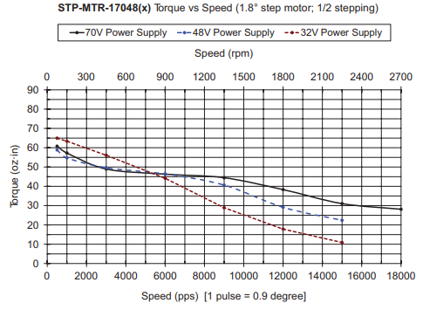
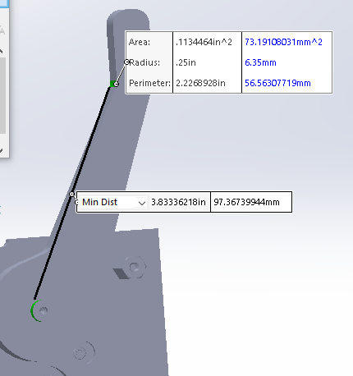

Length | 5.55 | 5.55
Force (lbs) | 15 | 30
Force (oz) | 240 | 480

Torque (oz-in): | 1332 | 2664

Arm Gear: | 32 | T
Pinion: | 12 | T | 2.6666666667 | 0.25 | Rotations

Torque at Shaft: | 499.5 | 999

Shaft Lrg Gear: | 72 | T
Motor Pinion: | 8 | T | 9 | 2.25 | Rev | 14 | BPM
 |  |  | 24 |  |  | 28 | x 2 Strokes / Breath
Torque at Shaft: | 55.5 | 111 | 55.5 |  |  | 0.5 | Dwell (s)
System Efficiency: | 85% | 85% |  |  |  | 7 | Total Dwell (s)
Adjusted Torque: | 65.294117647 | 130.58823529 |  |  |  | 71.320754717 | RPM

Numer of Motors: | 2 | 2
Motor Torque Req'd: | 32.647058824 | 65.294117647

